LED Driver
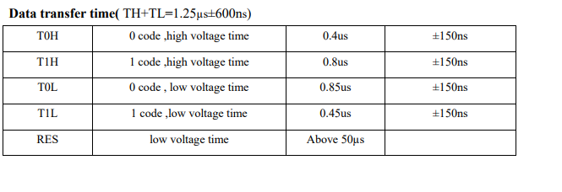
logic 0 high | 0.35
logic 0 low | 0.8
 | 1.15

logic 1 high | 0.7
logic 1 low | 0.6
 | 1.3

1.2

0.25
0.125 |  | periodicity | 3.00E-07 | 300ns |  | SYSCLK freq | 168000000
0.475 |  | freq | 3.33E+06 | 3.34MHz |  | clk divider | 50
 |  |  |  |  | 50.40 | actual dma bump freq | 3360000
 |  | bits per led | 24 |  |  | dma bump periodicity | 2.9761904762E-07
 |  | comm time per led | 7.20E-06
 |  | # of LED's | 50
 |  | reset time | 7.50E-05
 |  | time per transmission | 4.35E-04 | 435uS

 |  | num of total data bits | 1200
 |  | num of transfers data | 4800
 |  | num of transfers reset | 2.50E+02
 |  | num of dma transfers | 5.05E+03
 |  | number of bytes per transfer | 2
 |  | num of bytes required | 10100

